Scatterplot
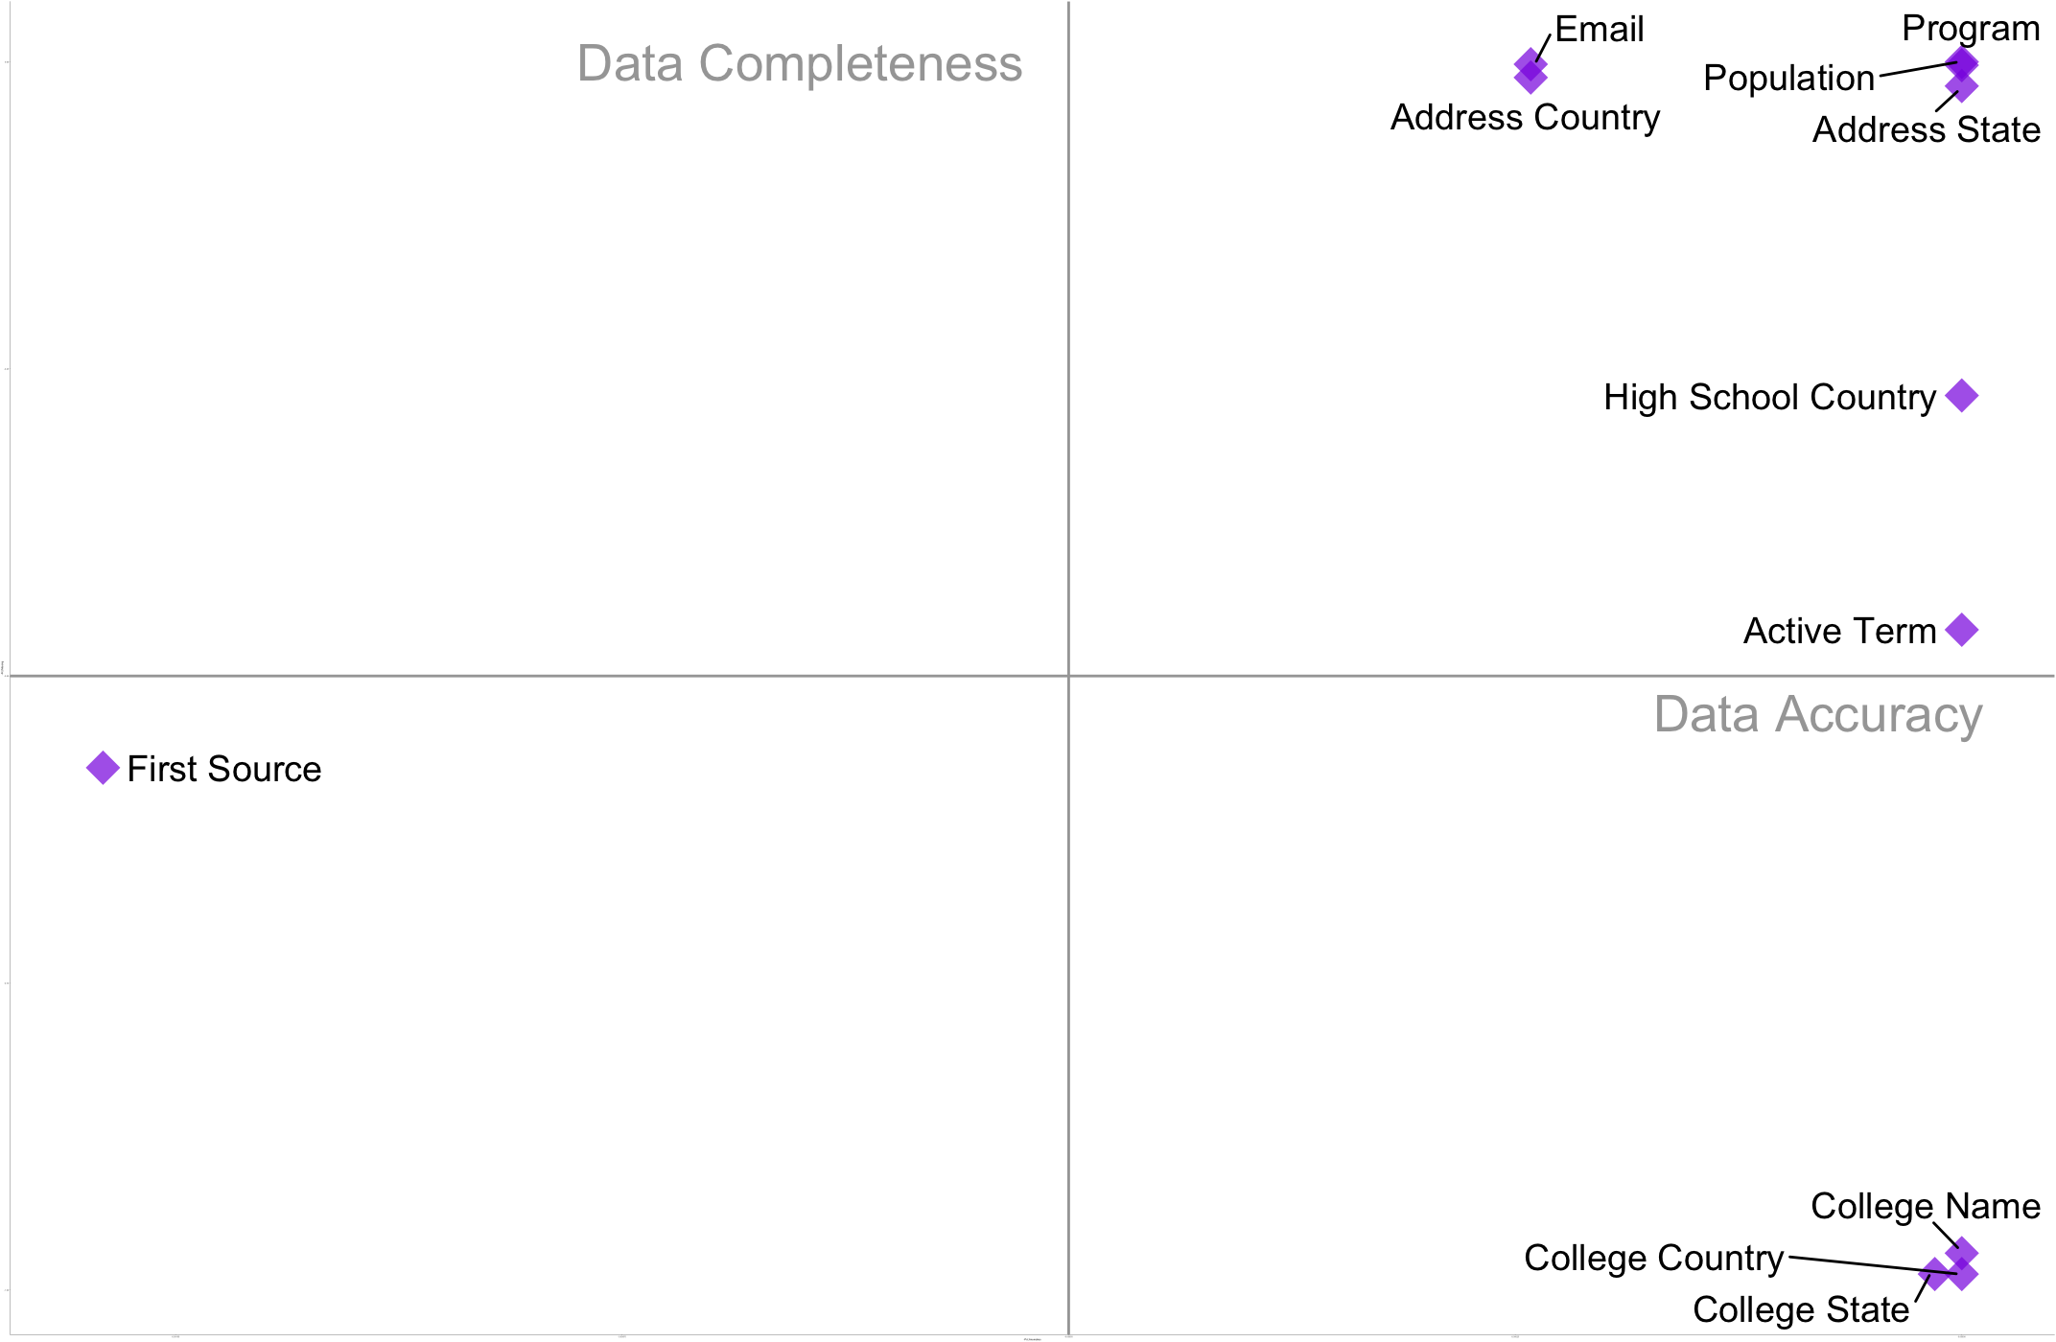
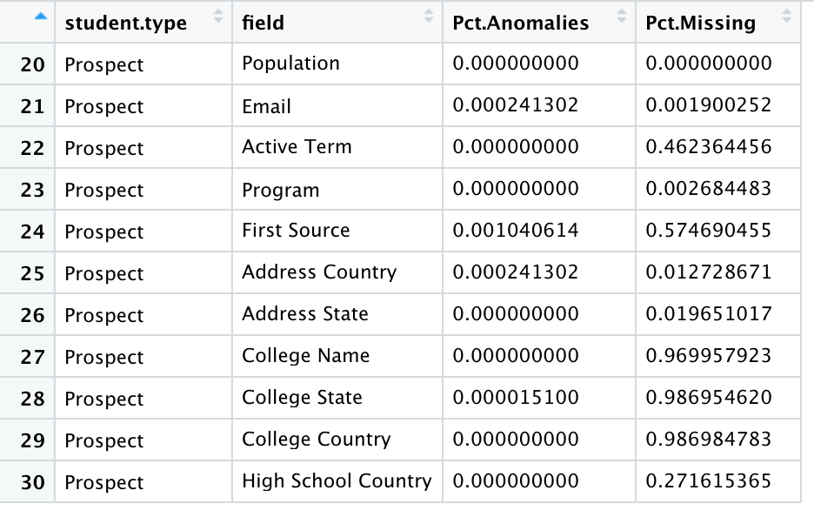
ggplot(data.scatterplot.prospect, aes(x=-Pct.Anomalies, y=-Pct.Missing)) +
geom_point( | Dataset:
color="blueviolet",shape=18,alpha=0.7,size=5,stroke = 2
) +
geom_text_repel(
aes(label = field),size = 5,box.padding = unit(0.35, "lines"),
point.padding = unit(0.3, "lines")
) +
geom_hline(yintercept=-0.5, linetype="solid", color = "#A6A6A6") +
geom_vline(xintercept=-0.0005, linetype="solid", color = "#A6A6A6") +
theme_classic(base_size = 1) +
annotate("text", x=-0.00008, y=-0.53, label="Data Accuracy", color="#A6A6A6",size = 7) +
annotate("text", x=-0.00065, y=-0, label="Data Completeness", color="#A6A6A6",size = 7)

Butterfly chart
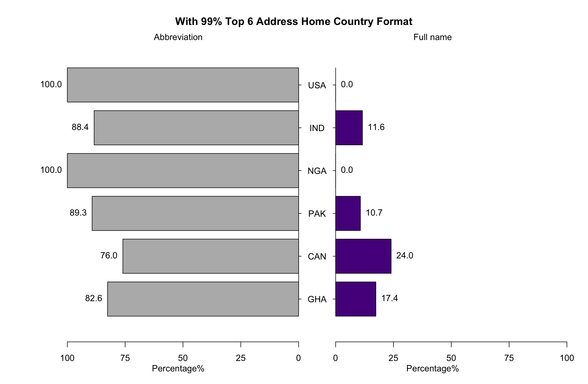
library(ggplot2)
library(formattable)

xy.pop<-c(82.61,76,89.29,100,88.41,100)
xx.pop<-c(17.39,24.00,10.71,0,11.59,0)

agelabels<-c("GHA","CAN","PAK","NGA","IND","USA")
par(mar=pyramid.plot(xy.pop,xx.pop,labels=agelabels,
unit="Percentage%",lxcol=c("#b8b8b8"),rxcol=c("#57068c"),
laxlab=c(0,25,50,75,100),raxlab=c(0,25,50,75,100),
xlim=c(120,0),
top.labels=c("Abbreviation","","Full name"),
main="With 99% Top 6 Address Home Country Format",gap=8,show.values=TRUE
))

Horizontal Bar Chart
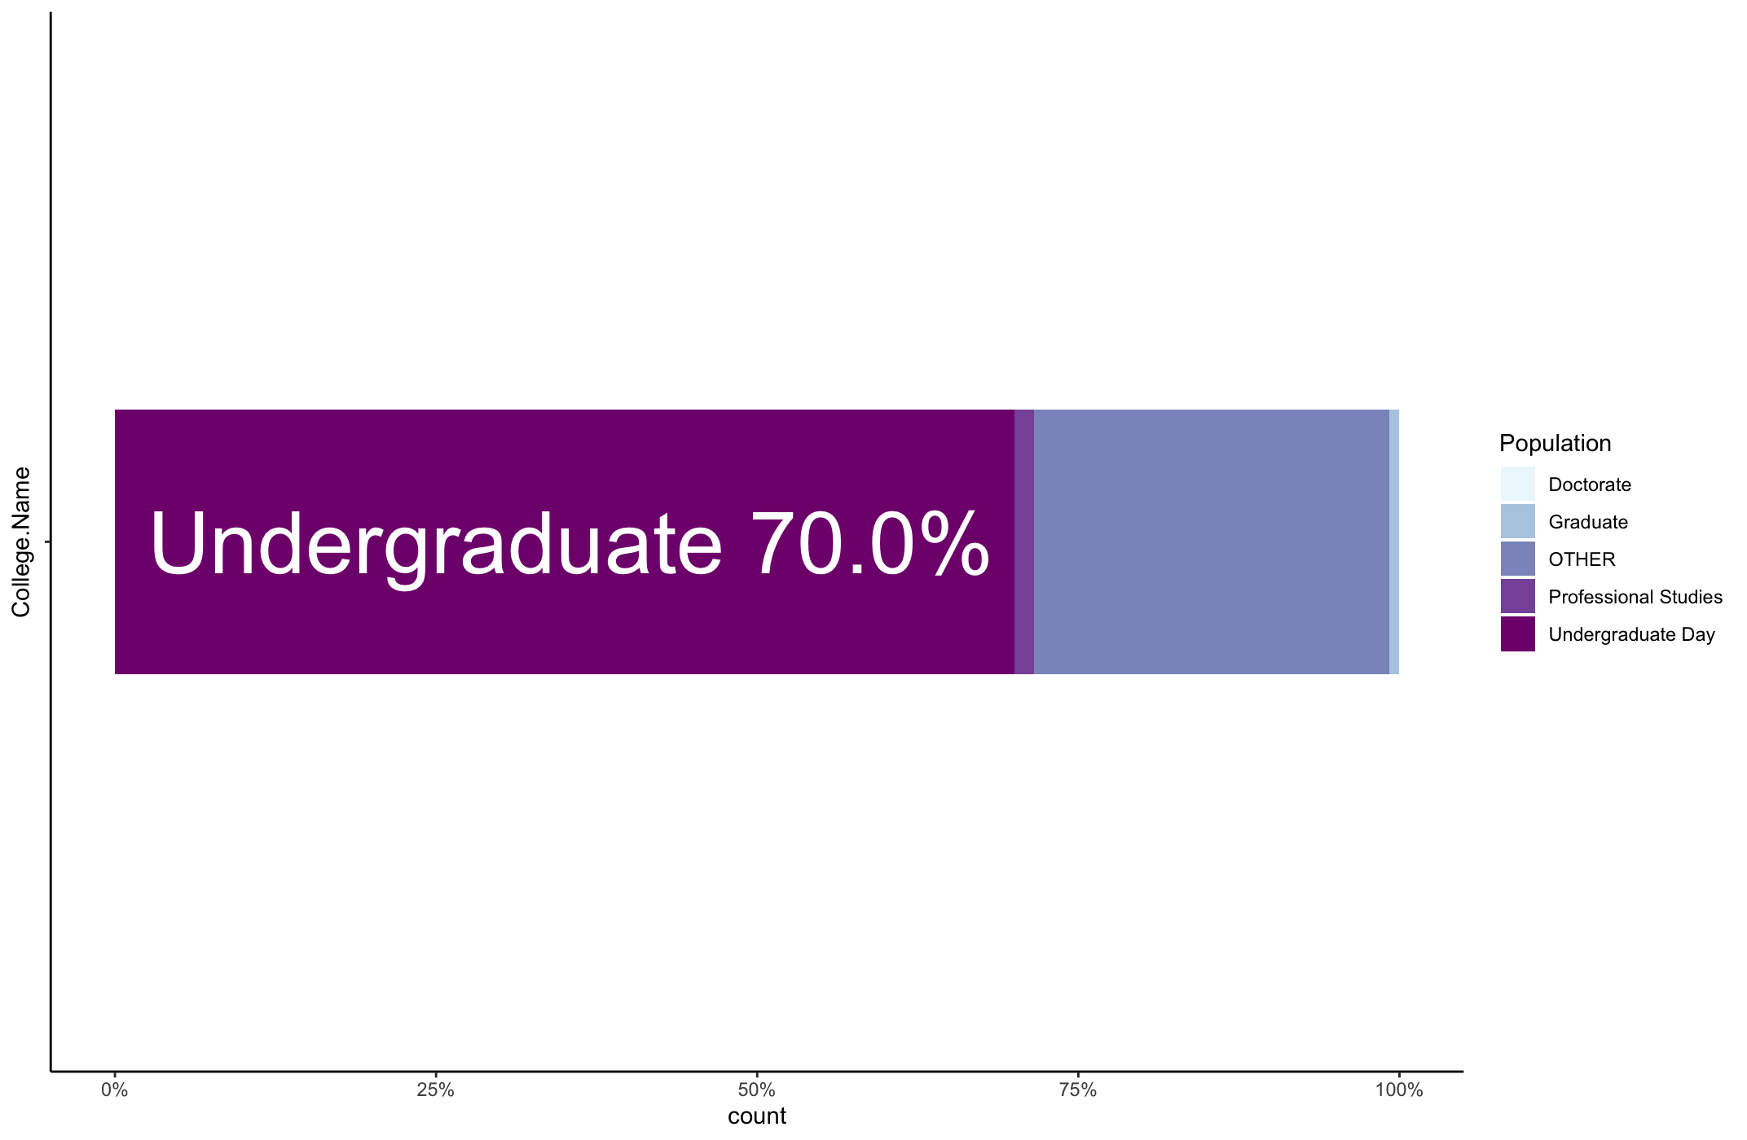
p_collegenull<-subset(data.prospect1, College.Name=="")
library(ggplot2)
p<-ggplot(data = collegenull) +
geom_bar(mapping = aes(x= College.Name, fill = Population), position = "fill",fig.height = 1, fig.width = 5)

p1<-p + scale_fill_brewer(palette=3)
p1+coord_flip()

Bar Chart
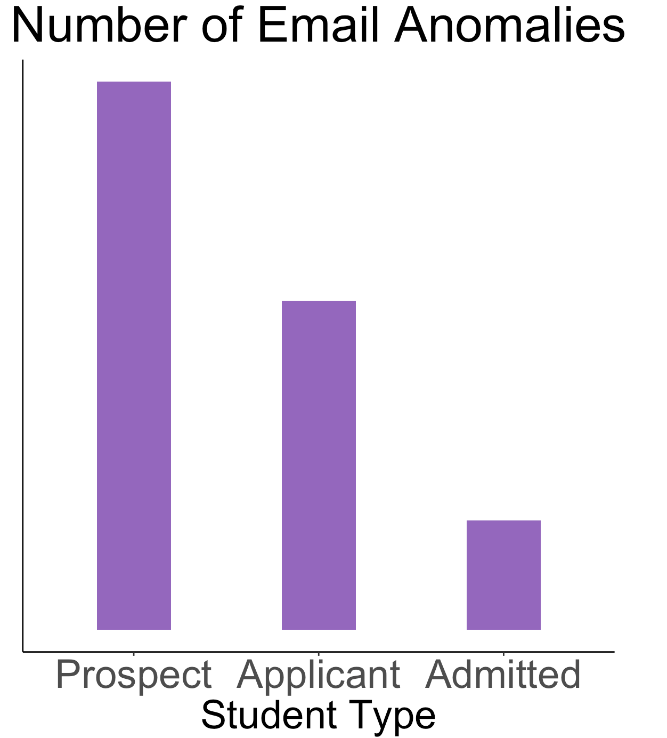
# Count the fatal and non-fatal accidents under different decades
anomailes.email <- data.frame(
Student.Type=c("Prospect","Applicant","Admitted"),
count=c(15,9,3)
)
anomailes.email$Student.Type<-factor(anomailes.email$Student.Type, levels = c("Prospect", "Applicant","Admitted"))

# Plot the line chart of fatal vs non-fatal crashes from 1940s to 2013s
library(ggplot2)
ggplot(anomailes.email,aes(x=Student.Type, y=count)) +
geom_bar(stat="identity", fill ="#9467BD", width=0.4,position = position_dodge(width=0.2)) +
ggtitle("Number of Email Anomalies") +
labs(
y="",
x="Student Type"
)+
scale_y_discrete(labels=c("Prospect Student", "Applicant Student","Admitted"))+
theme(plot.title = element_text(hjust = 0.5, size=12, face="bold")) +
theme_bw() + theme(panel.border = element_blank(), panel.grid.major = element_blank(),
panel.grid.minor = element_blank(), axis.line = element_line(colour = "black"))+
theme(axis.text = element_text(size = 28), aspect.ratio = 1/1,
plot.title = element_text(size = 35,hjust = 0.5),axis.title=element_text(size=28))
# theme(axis.title.y=element_text(angle=0)

Donut Chart
library(ggplot2)

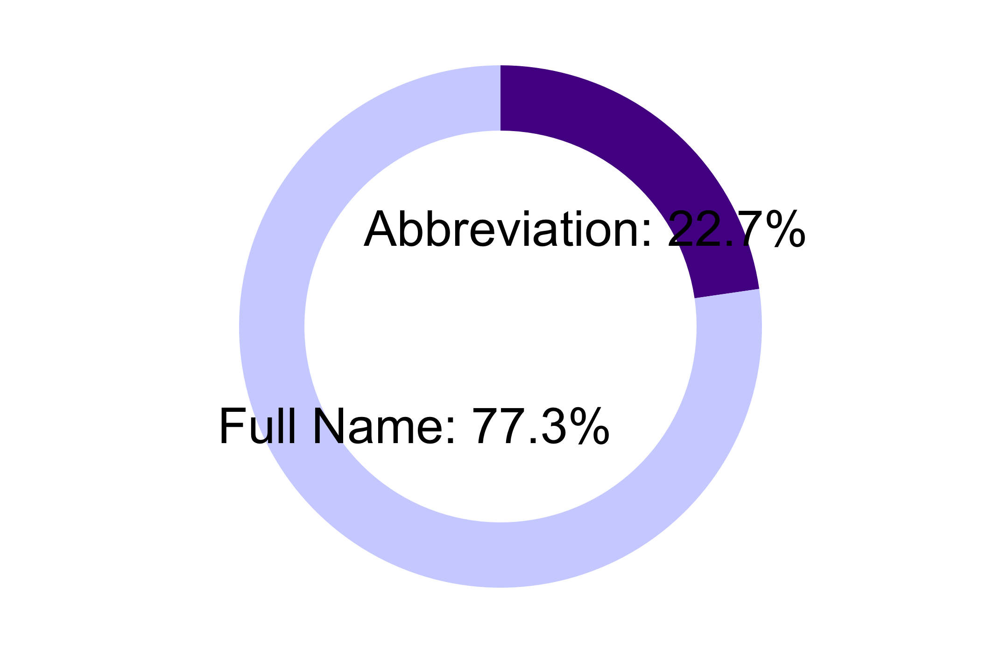
# Create test data.
data1 <- data.frame(
category=c("Abbreviation", "Full Name"),
count=c(22.7,77.3)
)

data1$fraction = data1$count / sum(data1$count)

# Compute the cumulative percentages (top of each rectangle)
data1$ymax <- cumsum(data1$fraction)

# Compute the bottom of each rectangle
data1$ymin <- c(0, head(data1$ymax, n=-1))

# Compute label position
data1$labelPosition <- (data1$ymax + data1$ymin) / 2

# Compute a good label
data1$label <- paste0(data1$category, ": ", data1$count, "%")

K= ggplot(data1, aes(ymax=ymax, ymin=ymin, xmax=4, xmin=3, fill=category)) +
geom_rect() +
scale_fill_manual(values = c("#521B93","#D0D4FF")) +
scale_color_manual(values = c("black","black","black")) +
# scale_fill_brewer(palette=3)+
coord_polar(theta="y") +
xlim(c(0, 4)) +
theme_void() +
theme(legend.position = "none") +
geom_text( x=2, aes(y=labelPosition, label=label, color =category), size=14) # x here controls label position (inner / outer)

K

Map
library(ggplot2)
library(maps)

applicant_states<-as.data.frame(table(data.applicant$Address.Home.State,dnn="States"),stringsAsFactors=FALSE)

applicant_states$region<-ifelse(is.na(state.name[match(applicant_states$States,state.abb)]),as.character(applicant_states$States),state.name[match(applicant_states$States,state.abb)])
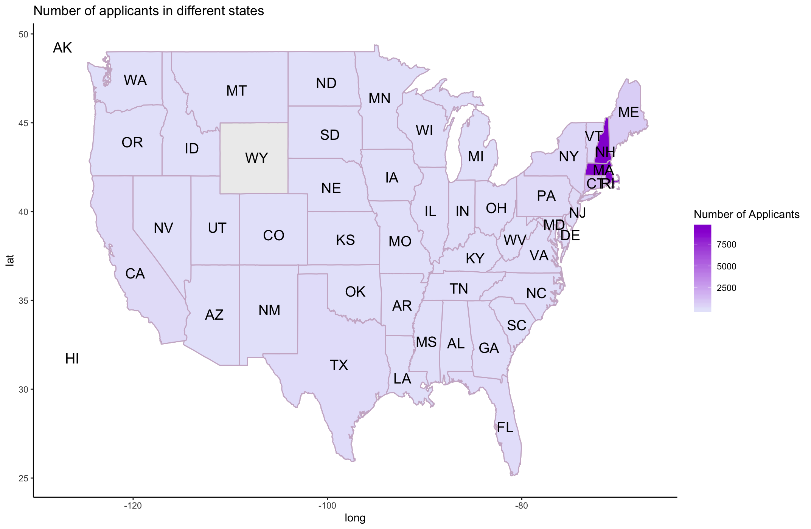
applicant_states$region<-tolower(applicant_states$region)

state_map<-map_data("state")
applicant_states.map<-left_join(applicant_states,state_map,by="region")

states <- data.frame(state.center, state.abb)

ggplot(applicant_states.map,aes(long,lat,group=group)) +
geom_map(dat=state_map, map=state_map, aes(map_id=region), fill="grey93", color="grey") +
geom_polygon(aes(fill=Freq),color="thistle3") +
geom_text(aes(x=x,y=y,label=state.abb), data=states, size=5, hjust=0.5,
inherit.aes=FALSE) +
#scale_fill_continue(trans="PRGn", alpha=.7, direction=-1) +
scale_fill_continuous(low="lavender",high="darkviolet",name="Number of Applicants")+
ggtitle("Number of applicants in different states") +
theme(plot.title = element_text(hjust = 0.5, size=20, face="bold")) +
theme(panel.border = element_blank(), panel.grid.major = element_blank(),
panel.grid.minor = element_blank(), axis.line = element_line(colour = "black"))+
theme_classic()

